Sheet1
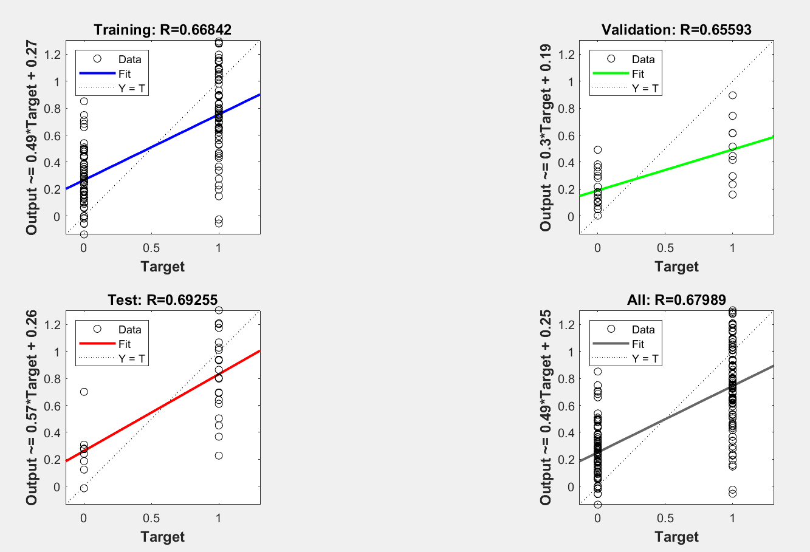
Test Output
0 | 0 | 0 | 0 | 0 | 0 | 0 | 0 | 0 | 0 | 0 | 0 | 0 | 0 | 0 | 0 | 0 | 0 | 0 | 0 | 1 | 1 | 1 | 1 | 1 | 1 | 1 | 1 | 1 | 1 | 1 | 1 | 1 | 1 | 1 | 1

2 layers 10 neurons

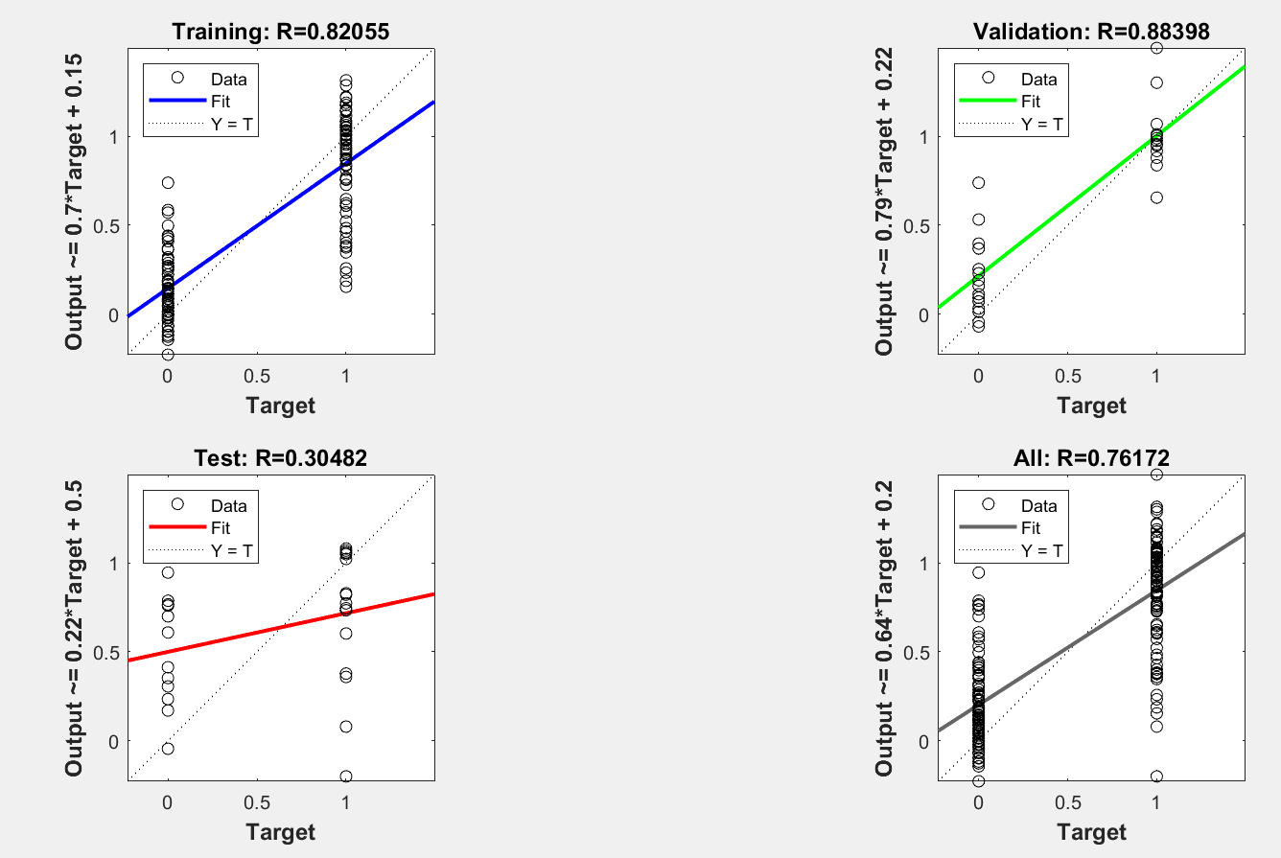
0.41190828753 | 0.060251898499 | 0.32164726795 | 0.15680312814 | 0.064879447318 | 0.17849026764 | 0.32763068685 | 0.67610848952 | 0.50614007277 | 0.12970971853 | 0.74197462764 | 0.59934552556 | -0.11778434739 | 0.059065189298 | 0.034430298254 | 0.11253692937 | 0.049811761784 | -0.010678053255 | 0.00093508446755 | 0.091261664583 | 1.1563951863 | 0.35012662858 | 0.60976765382 | 0.32516984229 | 1.4941559992 | 1.2421352133 | 1.1598336476 | 1.0464768516 | 0.85406527422 | 0.7020599941 | 0.30200900523 | 1.1624446881 | 0.97621581949 | 0.84820455565 | 1.0048180432 | 1.2090141509
0.75717838642

3 layers 10 neurons

0.30788882434 | 0.26667577242 | 0.11935091421 | 0.21083657403 | 0.11538670498 | 0.3830438246 | 0.30313286557 | 0.77613287826 | 0.097992277636 | 0.087508935501 | 0.42656110504 | 0.36784042311 | 0.21526243513 | 0.060973385386 | 0.05820411959 | 0.25168652294 | 0.17857255606 | 0.078905829686 | 0.13006016096 | 0.15174928963 | 0.7650788615 | 0.34402139771 | 0.37940170643 | 0.13728071271 | 0.64755665681 | 0.99585782465 | 0.89998658554 | 0.84805968306 | 0.78596602694 | 0.72846060968 | 0.42528822287 | 0.99443408896 | 0.72831956161 | 1.0083228578 | 0.84537697067 | 0.97567523236
0.75434742023
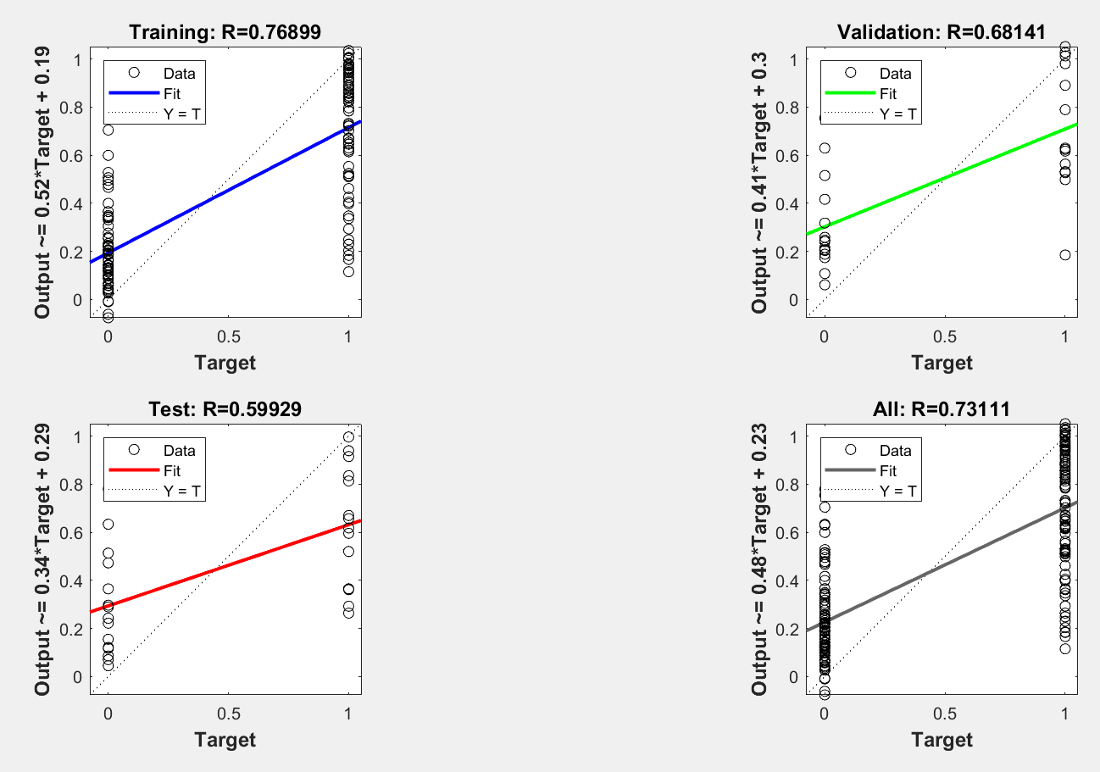

4 layers 10 neurons

0.19125923031 | 0.090640856579 | 0.087666370459 | 0.070447358832 | 0.07832668091 | 0.015612682686 | 0.26749380658 | 1.0567155545 | -0.048490831366 | -0.055370143922 | 0.671790243 | 0.62757292562 | 0.23913321323 | 0.0026612032403 | 0.029935052819 | 0.019409480576 | 0.19173906289 | 0.1086318707 | -0.011018819368 | 0.010795098343 | 0.89550227183 | 0.39446714269 | 0.5612163948 | 0.038722078994 | 1.0224355884 | 1.109619798 | 1.0586562725 | 1.0111519632 | 0.94164900227 | 0.88817831346 | 0.40650159972 | 1.1117068901 | 0.91405634437 | 1.0860122826 | 1.0132477384 | 1.1153573851
0.74836422828
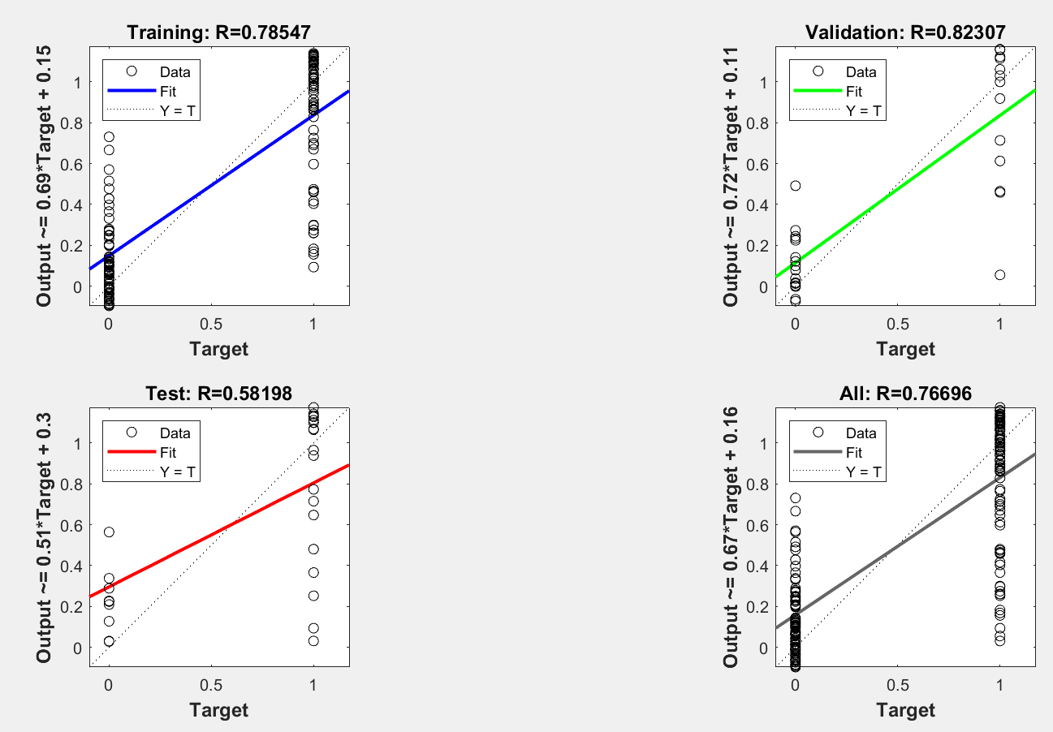

5 layers 10 neurons

0.25670632908 | 0.12244122704 | 0.12623046008 | 0.10328350307 | 0.11759875148 | 0.17624789508 | 0.12820892474 | 1.0013553168 | 0.24241626669 | 0.15796144913 | 0.79823376316 | 0.50694307866 | 0.11045730107 | 0.22738259715 | 0.24658838727 | 0.10244054484 | 0.10773724978 | 0.10538387768 | 0.10275117724 | 0.1098486906 | 0.95112665633 | 0.12787267186 | 0.29834764173 | 0.13417968924 | 0.89810268038 | 1.0364765589 | 1.0083511986 | 0.90649656944 | 1.0017171859 | 0.83644531449 | 0.32638838039 | 1.0253810427 | 1.0116053995 | 0.99279073358 | 1.0194271456 | 1.0372283859
0.68803938344

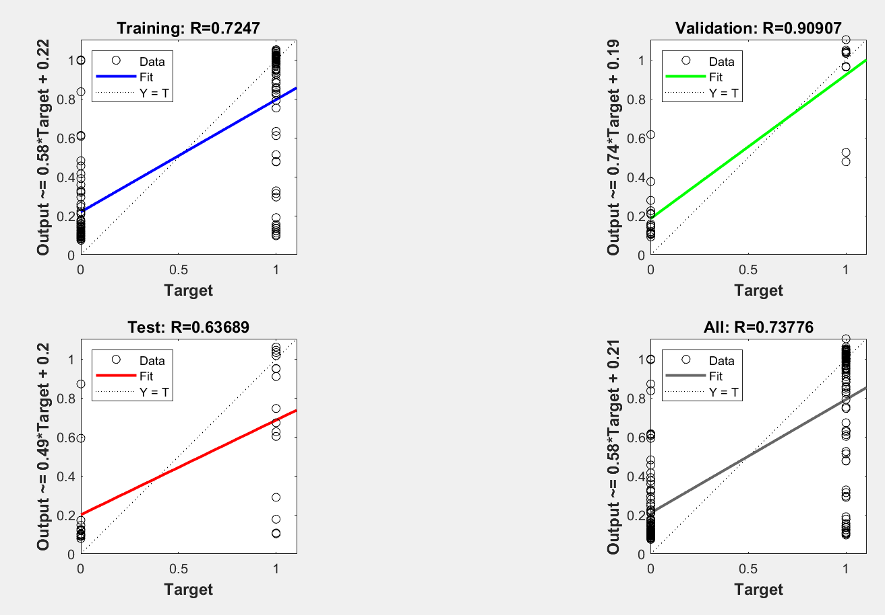

6 layers 10 neurons

0.19152430255 | 0.17315439522 | 0.18842624506 | 0.17687694283 | 0.17376370113 | 0.17513884253 | 0.17417036455 | 0.98415962179 | 0.262631366 | 0.17291903085 | 0.72269758956 | 0.91121553215 | 0.1836248829 | 0.17337956697 | 0.17224148037 | 0.17274021541 | 0.17354833515 | 0.17409234203 | 0.17272998965 | 0.17538295874 | 0.88588759556 | 0.56781005523 | 0.72672319703 | 0.40961537848 | 0.91772848488 | 0.93483736279 | 0.89735031219 | 0.89592611254 | 0.97436120238 | 0.72758145104 | 0.19018806483 | 0.99918372441 | 0.94128318074 | 1.0486089945 | 0.92316320431 | 0.94877834123
0.73516262463

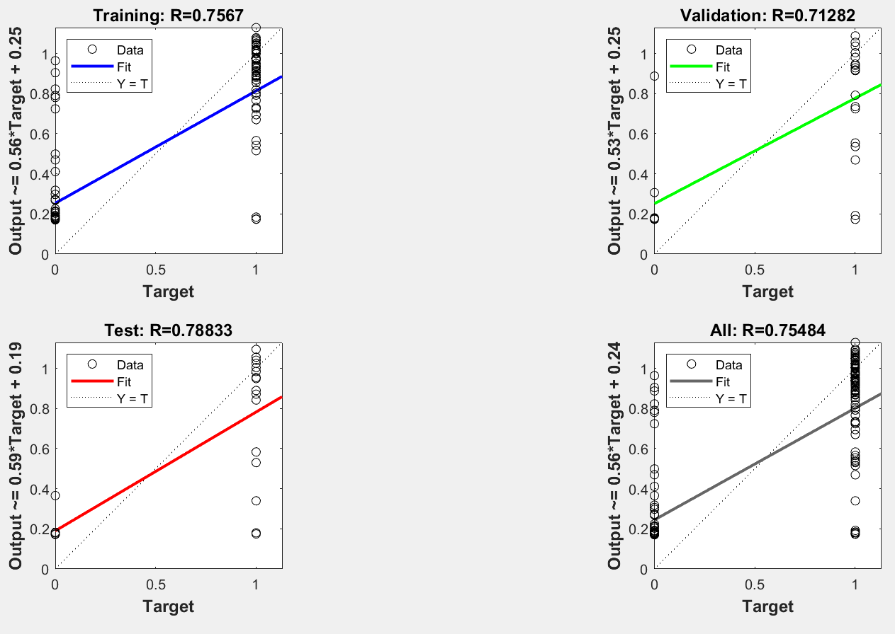

3 layers 20 neurons

0.55789526603 | 0.13124303876 | 0.25616465744 | 0.14824051393 | 0.2026465936 | 0.34704796673 | 0.36522591783 | 0.80037507861 | 0.26442566488 | 0.26092368789 | 0.75825079628 | 0.69358230431 | -0.11226919815 | 0.051964876462 | 0.18315922938 | -0.11624123511 | -0.038334870354 | -0.0014032090871 | -0.033141213039 | 0.12471137273 | 1.0540801398 | 0.44654876262 | 0.70600186424 | 0.53111369847 | 1.2083637163 | 1.0381983242 | 0.93468676639 | 1.0939455093 | 0.9261511311 | 0.83464170322 | 0.50833048707 | 0.92702751518 | 0.9010291037 | 1.0704791241 | 1.0209059293 | 1.0439262114
0.79120582461

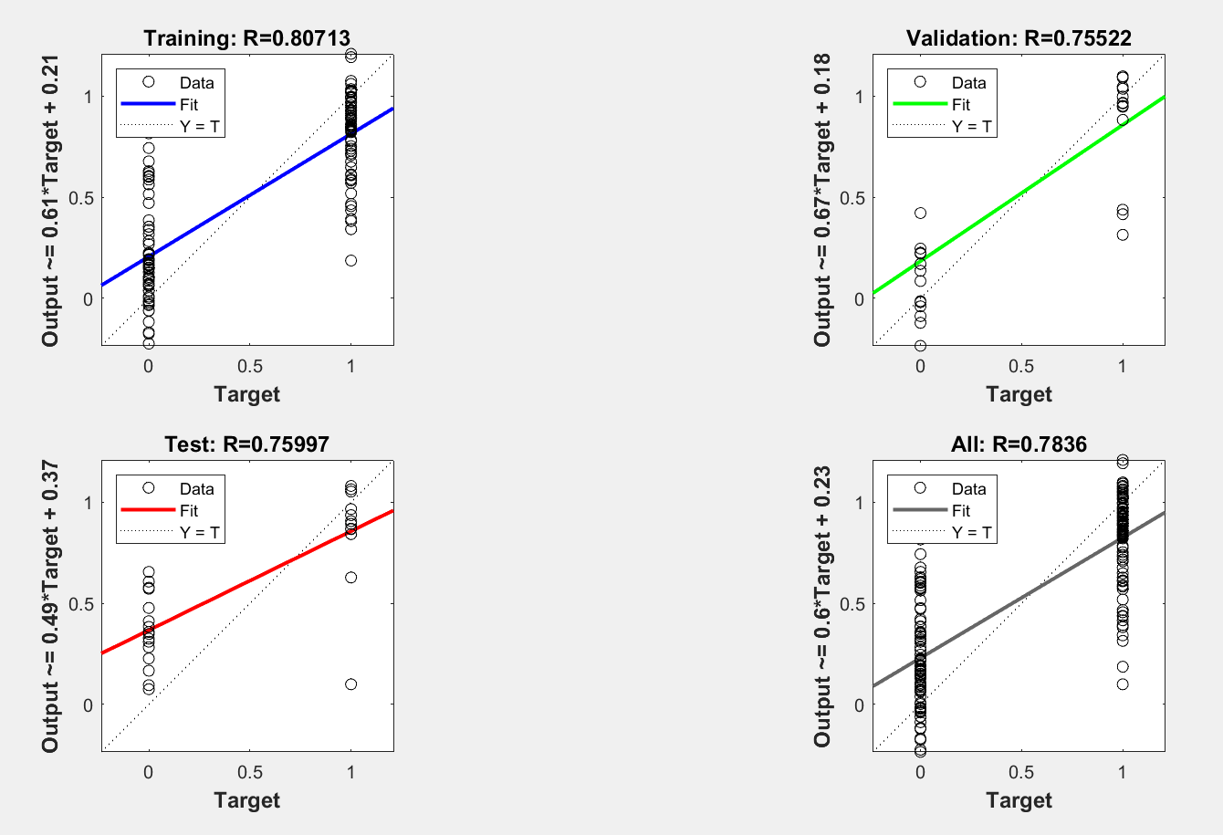

4 layers 20 neurons

0.26103580799 | -0.017310227411 | 0.22461242355 | 0.14302165028 | 0.34474993872 | 0.16658762823 | 0.63541775496 | 1.0624259107 | 0.36504157571 | 0.1374498586 | 0.5776328921 | 0.41209946028 | -0.091388749904 | 0.13940655664 | 0.16565452863 | 0.10815283819 | 0.17908600197 | -0.0038524646124 | 0.1058342542 | 0.074250060764 | 0.83754133825 | 0.37061310028 | 0.6516923145 | 0.3736937646 | 1.0519385054 | 0.90995721375 | 0.96448985107 | 0.95003062919 | 0.89195803943 | 1.0181005152 | 0.49813676986 | 0.92792011253 | 0.97407809687 | 0.62993483718 | 0.98074758887 | 0.9770925904
0.75389557921

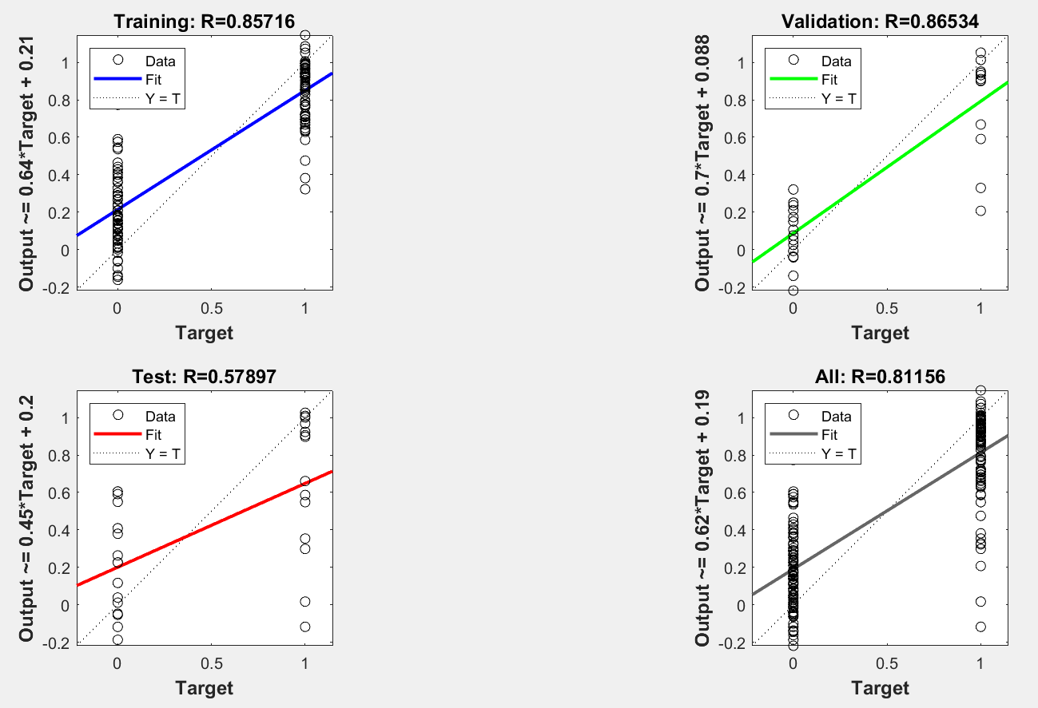

5 layers 20 neurons

0.50396529931 | 0.27007710128 | 0.36264160142 | 0.3905002253 | 0.24502624848 | 0.29311542549 | 0.24349492181 | 0.65248487644 | 0.42794807024 | 0.26503199863 | 0.63267875198 | 0.72679625205 | 0.15233177562 | 0.37762787994 | 0.31288810956 | 0.20089532517 | 0.16038946383 | 0.24716113387 | 0.20961033943 | 0.37912915427 | 0.69503352797 | 0.35799382051 | 0.57929444092 | 0.43444061151 | 0.86050264105 | 0.95427065997 | 0.8240682874 | 0.79001862191 | 0.95106946066 | 0.56978398835 | 0.4038880903 | 1.1467003222 | 0.89184414612 | 0.98406128171 | 0.95131794861 | 0.96513948112
0.73102206089

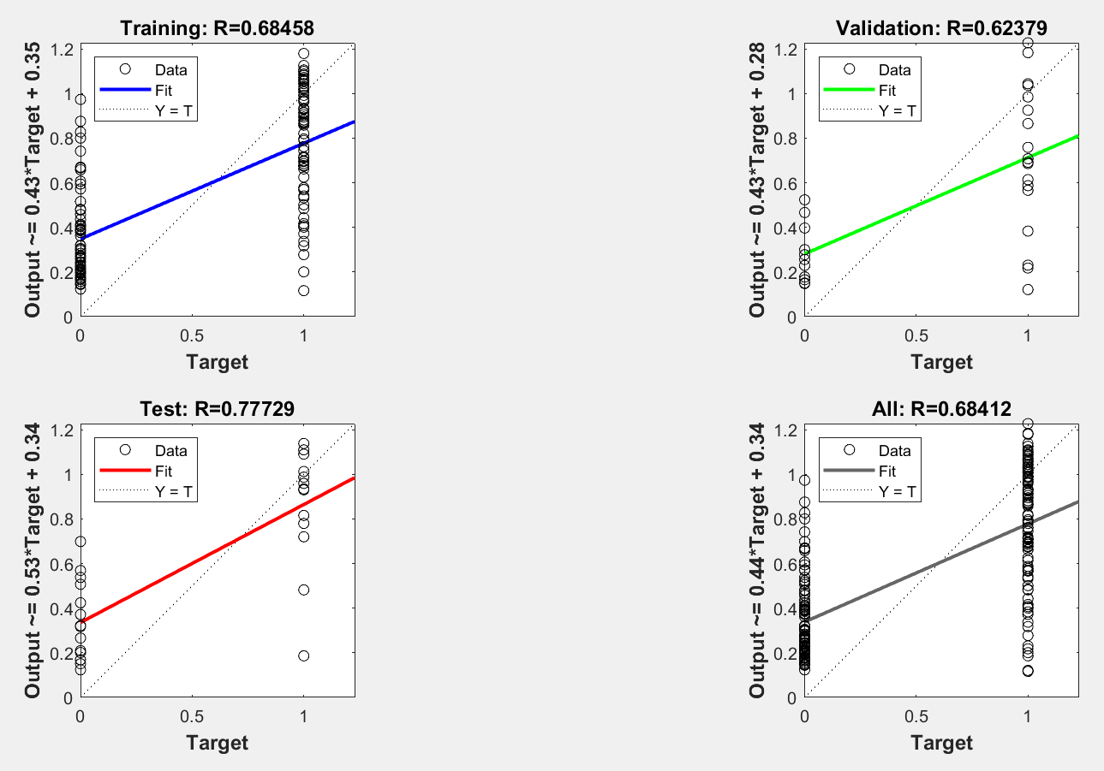

6 layers 20 neurons

0.34422281727 | 0.16723023302 | 0.20694688596 | 0.1501325717 | 0.13249014552 | 0.20523397527 | 0.14055361421 | 1.0310367917 | 0.36049975104 | 0.1563551237 | 0.69689841422 | 0.58861891017 | 0.24146835132 | 0.16229297093 | 0.12292729876 | 0.13282013676 | 0.1099330233 | 0.13523063144 | 0.13259387541 | 0.21306457054 | 0.90823692757 | 0.49881527308 | 0.53040276496 | 0.35762173698 | 1.0934939243 | 1.0403913557 | 1.0650350977 | 0.94322275173 | 0.88177748834 | 0.77815492333 | 0.43854506039 | 1.0713577909 | 0.81611043146 | 1.1032986628 | 0.87197007432 | 1.1162014067
0.76576566254

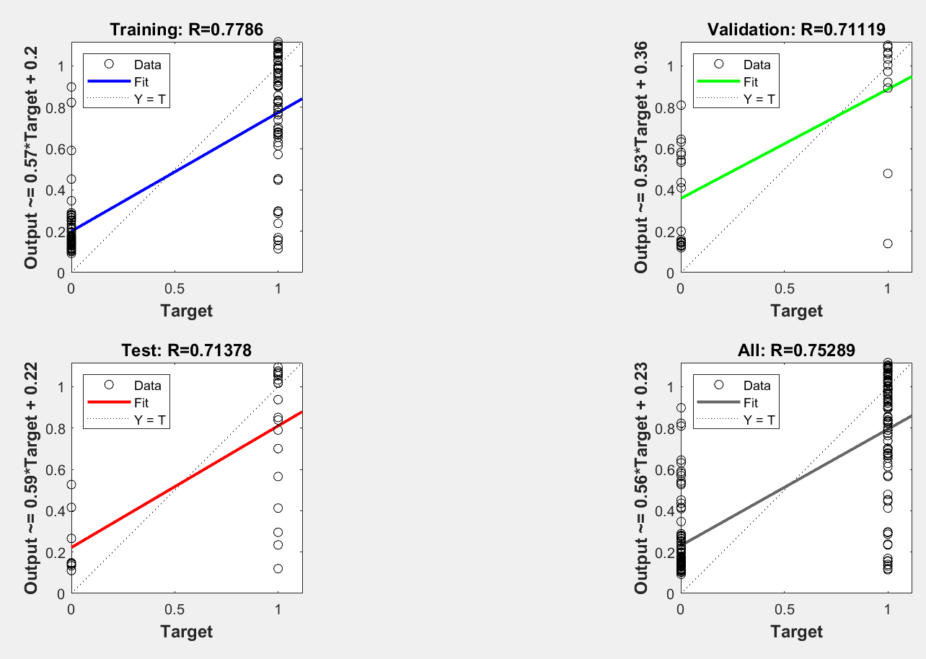

4 layers 25 neurons

0.42067782861 | 0.33346450295 | 0.50147676194 | 0.49001871893 | 0.19950668822 | 0.44474757852 | 0.21282630958 | 0.80360102206 | 0.57642490484 | 0.29562339617 | 0.61025771549 | 0.78129285656 | 0.15527238496 | 0.38667919118 | 0.048612880821 | -0.10054253379 | -0.035190153115 | 0.090067249866 | 0.072090592873 | 0.23109371437 | 0.81796410902 | 0.25490489642 | 0.49066700979 | 0.3735696818 | 0.7295481197 | 0.92989188613 | 0.85526660197 | 0.67630613605 | 0.78573788494 | 0.535040131 | 0.36830811861 | 1.1627830843 | 0.69320151549 | 1.0427377052 | 0.85409433476 | 0.9717293953
0.61813124604
912

